Hoja1
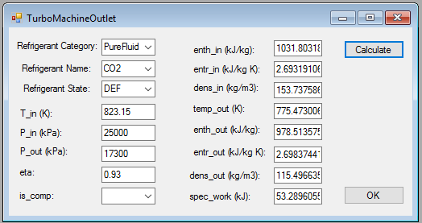
 | SI units | British units |  | SI units | British units
Win |  |  | Wout
Tin | 550 | 823.15 | Tout | 775.47 | 1048.62
Pin | 250 bar | 3625.94 | Pout | 173 bar | 2509.15
Hin | 1031.8 | 443.59544282 | Hout | 978.51 | 420.683577

 | Thermoflow results | SI Units | British Units
 | hin | 525.98
 | hout | 472.69
 | REFPROP reference sCO2 state at 298.15K and 1 bar
 | hin | 505.85
 | hout | 505.85
 | Absolute results
 | hin | 1031.83 | 162.747206
 | hout | 978.54 | 180.662081

